Know Oxide Thickness
Tested with N-Type <100> wafers

 | Wet Oxidation at 1000C
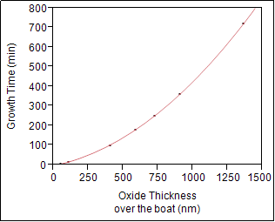

 | Growth Time (min) = -80,79526 + 0,4406706*Oxide Thickness over the boat (nm) + 0,0002838*(Oxide Thickness over the boat (nm)-523,526)^2
 | RSquare = 99.9996%

 | Expected Oxcide Thinkness |  | 500 | nm
 | Oxidation Time |  | 139.70 | minutes |  |  | 2.3282852591 | hours
 |  |  | 2 | hours | 20 | minutes

 | Wet Oxidation at 1050C
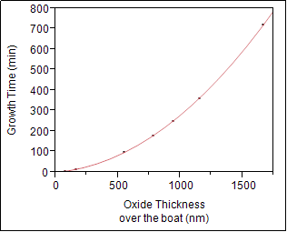

 | Growth Time (min) = -131,6128 + 0,3984537*Oxide Thickness over the boat (nm) + 0,0002299*(Oxide Thickness over the boat (nm)-760,093)^2
 | Rsquare = 99,9946%

 | Expected Oxcide Thinkness |  | 300 | nm
 | Oxidation Time |  | 36.59 | minutes |  |  | 0.60983037054 | hours
 |  |  | 0 | hours | 37 | minutes

 | Wet Oxidation at 1100C
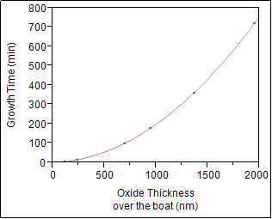

 | Growth Time (min) = -138,6127 + 0,3357754*Oxide Thickness over the boat (nm) + 0,0001796*(Oxide Thickness over the boat (nm)-881,763)^2
 | Rsquare = 99,9973%
 | Rsquare = 99,9973%
 | Expected Oxcide Thinkness |  | 2214 | nm
 | Oxidation Time |  | 920.68 | minutes |  |  | 15.344649807 | hours
 |  |  | 15 | hours | 21 | minutes

Note : This experiment has been done from June 2014 until September 2014
 | Process parameters
 |  | Pressure | Atmosphere
 |  | Temperature | 1000, 1050, 1100 C
 |  | Time | 5, 15, 100, 180, 250, 360, 720 minutes
 |  | Steamer Flow | 10 Liters/minutes
 |  | Anneal | Same temperature for 20 minutes with N2: 6 SLM
 |  | Tested wafers | N-Type <100> without RCA clean

Know Oxidation Time
Tested with N-Type <100> wafers

 | Wet Oxidation at 1000C
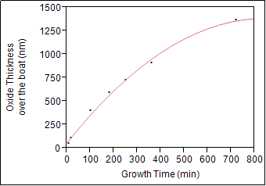

 | Oxide Thickness over the boat (nm) = 133,70323 + 2,3851116*Growth Time (min) - 0,001864*(Growth Time (min)-204,375)^2
 | RSquare = 99.5954%

 | Oxcidation Time |  | 100 | minutes
 | Expected Oxcide Thickness |  | 351.91 | nm

 | Wet Oxidation at 1050C
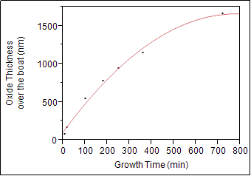

 | Oxide Thickness over the boat (nm) = 245,55989 + 2,7926413*Growth Time (min) - 0,0025436*(Growth Time (min)-232,857)^2
 | Rsquare = 99,3395%

 | Oxcidation Time |  | 100 | minutes
 | Expected Oxcide Thickness |  | 479.93 | nm

 | Wet Oxidation at 1100C
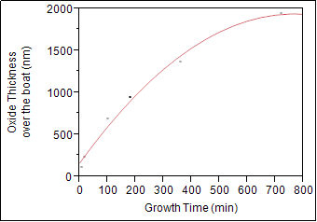

 | Oxide Thickness over the boat (nm) = 323,84064 + 3,2421986*Growth Time (min) - 0,0030186*(Growth Time (min)-230)^2
 | Rsquare = 99,13%

 | Oxcidation Time |  | 200 | minutes
 | Expected Oxcide Thickness |  | 1034.51 | nm

Note : This experiment has been done from June 2014 until September 2014
 | Process parameters
 |  | Pressure | Atmosphere
 |  | Temperature | 1000, 1050, 1100 C
 |  | Time | 5, 15, 100, 180, 250, 360, 720 minutes
 |  | Steamer Flow | 10 Liters/minutes
 |  | Anneal | Same temperature for 20 minutes with N2: 6 SLM
 |  | Tested wafers | N-Type <100> without RCA clean

