Know Oxide Thickness
 | Wet Oxidation at 1000C
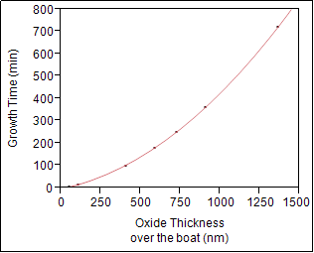

 | Growth Time (min) = -80,79526 + 0,4406706*Oxide Thickness over the boat (nm) + 0,0002838*(Oxide Thickness over the boat (nm)-523,526)^2
 | RSquare = 99.9996%

 | Expected Oxcide Thinkness |  | 1363 | nm | Max. thickness that been tested at 1363 nm
 | Oxidation Time |  | 719.84 | minutes |  |  | 11.997288966 | hours
 |  |  | 11 | hours | 60 | minutes

 | Wet Oxidation at 1050C

 | Growth Time (min) = -108,5252 + 0,3622113*Oxide Thickness over wafer (nm) + 0,0002436*(Oxide Thickness over wafer (nm)-683,128)^2
 | Rsquare = 99,992%

 | Expected Oxcide Thinkness |  | 3011 | nm | Max. thickness that been tested at 3011 nm
 | Oxidation Time |  | 2302.16 | minutes |  |  | 38.369308548 | hours
 |  |  | 38 | hours | 22 | minutes

 | Wet Oxidation at 1100C
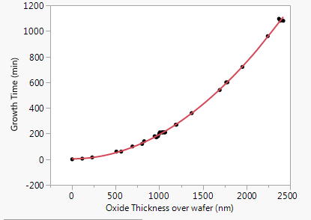

 | Growth Time (min) = -252,2431 + 0,4399941*Oxide Thickness over wafer (nm) + 0,0001882*(Oxide Thickness over wafer (nm)-1166,06)^2
 | Rsquare = 99,9095%

 | Expected Oxcide Thinkness |  | 2422 | nm | Max. thickness that been tested at 2422 nm
 | Oxidation Time |  | 1110.29 | minutes |  |  | 18.504775343 | hours
 |  |  | 18 | hours | 30 | minutes

Note : This experiment has been done from June 2014 until September 2014 and taken from the process log until 08 June 2017
 | Process parameters
 |  | Pressure | Atmosphere
 |  | Temperature | 1000, 1050, 1100 C
 |  | Steamer Flow | 10 Liters/minutes
 |  | Anneal | Same temperature for 20 minutes with N2: 6 SLM

